Sheet1
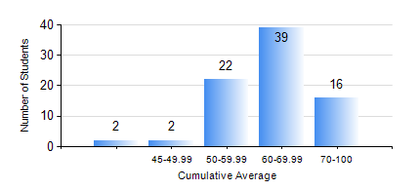
 |  |  | KWAME NKRUMAH UNIVERSITY OF SCIENCE AND TECHNOLOGY, KUMASI Department of Geological Engineering

 |  |  | BSC. GEOLOGICAL ENG.

 |  |  | COMPREHENSIVE RECORD OF EXAMINATION RESULTS

 |  |  | RESULTS OF YEAR 4 FIRST SEMESTER, 2018/2019 ACADEMIC YEAR

 | Sn | Course Code |  | Course Name | Credit Hours | Min. Mark | Max. Mark | Avg. Mark | Std. Dev. | No. Passed | No. Trailed | No. (Df) | No. (I) | No. (I*) | No. Tagged(I,I*,Df) | Total
 | 0. |  |  |  |  |  |  | 0 | 0 | 0 | 0 | 0 | 0 | 0 | 0 | 2
 | 1. | CE 477 |  | GEOTECHNICAL ENGINEERING I | 3 | 12 | 78 | 59 | 10.75 | 76 | 2 | 0 | 0 | 0 | 0 | 78
 | 2. | GED 451 |  | REGIONAL GEOLOGY | 3 | 41 | 86 | 62 | 10.84 | 78 | 0 | 0 | 0 | 0 | 0 | 78
 | 3. | GED 457 |  | PROJECT 1 | 3 | 54 | 84 | 74 | 5.39 | 78 | 0 | 0 | 0 | 0 | 0 | 78
 | 4. | GED 459 |  | EXPLORATION GEOCHEMISTRY | 2 | 40 | 86 | 63 | 10.48 | 78 | 0 | 0 | 0 | 0 | 0 | 78
 | 5. | GED 461 |  | EXPLORATION GEOPHYSICS | 2 | 0 | 86 | 62 | 13.92 | 74 | 4 | 0 | 0 | 0 | 0 | 78
 | 6. | GED 465 |  | ENGINEERING GEOLOGICAL INVESTIGATIONS | 2 | 0 | 73 | 57 | 11.36 | 75 | 3 | 0 | 0 | 0 | 0 | 78
 | 7. | GED 471 |  | INDUSTRIAL TRAINING | 0 | 50 | 90 | 73 | 8.42 | 79 | 0 | 0 | 0 | 0 | 0 | 79
 | 8. | GED 475 |  | PRINCIPLES OF HYDROGEOLOGY | 3 | 30 | 96 | 68 | 12.78 | 77 | 1 | 0 | 0 | 0 | 0 | 78

